Sheet1
-0.48 | -0.40

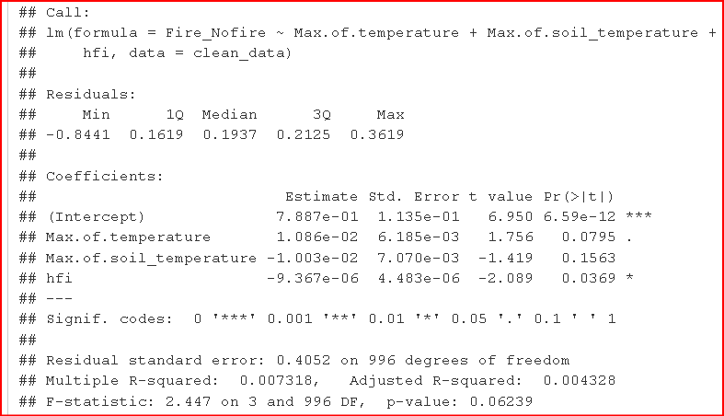
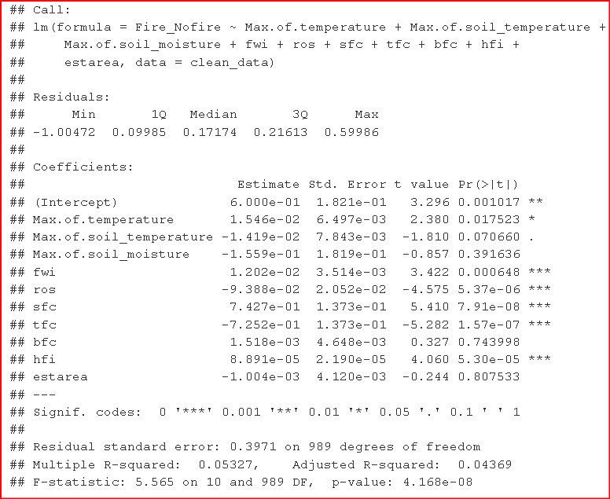

lm_model_2 Residuals lm_model |  | Coefficients:
The residuals have a slightly wider range from -0.8441 to 0.3619. | The residuals have a range from -1.005 to 0.59986. | Estimate: indicates the direction and strength of the relationship between each predictor variable and the response variable ('Fire_Nofire').
Coefficient Significance: |  | Std. Error: Standard errors indicate the variability of the estimate.
Lm_model_2 has 3 significant predictors | Lm_model has more significant predictors, potentially capturing more complexity. | t value: The t-value measures the number of standard deviations a coefficient estimate is from zero. Larger t-values suggest more evidence against the null hypothesis (that the coefficient is zero). A larger t-value (in absolute terms) suggests a more significant result.
Model Fit |  | Pr(>|t|): The p-value associated with each coefficient. Lower p-values indicate stronger evidence against the null hypothesis. If the p-value is less than 0.05, it is generally considered statistically significant to reject the null hypothesis
Lm_model_2: Multiple R-squared is 0.007318, and Adjusted R-squared is 0.004328. | Lm_model: Multiple R-squared is 0.05327, and Adjusted R-squared is 0.04369. | Residual Standard Error: The residual standard error 0.395 is an estimate of the standard deviation of the residuals.
Overall Model Significance: |  | Multiple R-squared: The value of 0.07369 represents the proportion of variance in the dependent variable explained by the model.
F-statistic is 2.447 with a p-value of 0.06239. | F-statistic is 5.565 with a p-value of 4.168e-08. | Adjusted R-squared value of 0.05475 is an adjusted version of R-squared that penalizes for the number of predictors in the model.
MSE (mean squared error) |  | F-statistic: This tests the overall significance of the model. A higher F-statistic suggests that at least one predictor variable is significantly related to the dependent variable.
0.1635 | 0.1559
In order to validate the stability of our model, the estimate of the error rate after training in this case comes at 0.15 as MSE; this operation is called evaluation of residuals. However, this only gives an idea about how well our model learns from the data used for training. Low performance in Machine Learning may have different reasons (e.g., over-fitting and under-fitting. To overcome these problems, operations and techniques were used to increase the performance of the classifiers such as classification metrics, cross-validation, and regularization. |  | In summary, this output suggests that some predictors are statistically significant (indicated by '*' or '**' codes), but the overall model does not explain a large proportion of the variance in the response variable (low R-squared values). The model needs to examine the individual coefficients and their significance levels to understand the relationships between predictor variables and the response. Adjustments are likely needed to improve model performance.

-0.4822 | -0.40486
-0.537 | -0.345

RF confusion matrix
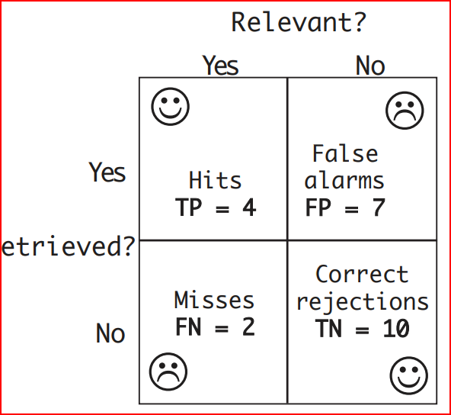
 |  |  | RF Algorithm | RF Algorithm | RF CV validation | RF CV validation
precision | hits TP |  | 233 | 95.88% | 395 | 93.60%
 | total retrieved (tp + fp) |  | 243 |  | 422

accuracy | true positives TP + TN |  | 273 | 91.00% | 458 | 91.60% | accuracy: true positives predic over all positives predics
 | overall positives TP+TN+FP+FN |  | 300 |  | 500

recall | hits TP |  | 233 | 93.20% | 395 | 96.34% | (TP + FN). It quantifies the ability of the model to identify positive instances correctly.
 | total relevant (TP+FN) |  | 250 |  | 410

f-score |  | 2 |  | 94.52% |  | 94.95%
 | 1/precision + 1/recall
 |  |  |  |  |  |  |  | random forest algorithm displays | TN | 40 | 10 | FP
f-score | 2 * | (prec * recall)/(prec * recall) |  | 94.52% |  | 94.95% |  |  | FN | 17 | 233 | TP

 |  |  |  |  |  |  |  | vs random forest cross validation showing | TN | 63 | 27 | FP
random forest algorithm displays |  |  |  |  |  |  |  |  | FN | 15 | 395 | TP
predictions 0 1 |  |  | predictions | 0 | 1 |  | class errors
0 40 10 |  |  | 0 | 40 | 10 |  | 20.00%
1 17 233 |  |  | 1 | 17 | 233 |  | 6.80%

vs random forest cross validation showing
Confusion matrix:
0 1 class.error |  |  | predictions | 0 | 1 |  | class errors
0 63 27 0.30000000 |  |  | 0 | 63 | 27 |  | 30.00%
1 15 395 0.03658537 |  |  | 1 | 15 | 395 |  | 3.66%

